Calculations
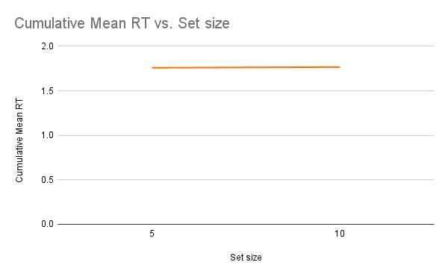
Participants | Set size | Mean RT
VS1 | 5 | 1.643024715
 | 10 | 1.667925724
VS2 | 5 | 1.5831376
 | 10 | 1.579127832
VS3 | 5 | 1.390374789
 | 10 | 1.405380853
VS4 | 5 | 2.420446179
 | 10 | 2.428992614
VS5 | 5 | 1.704203978
 | 10 | 1.713807192

 |  |  | Set size | Cumulative Mean RT
 |  |  | 5 | 1.758068254
 |  |  | 10 | 1.765932973

 |  |  | Slope = | (y2-y1)/(x2-x1)

 |  |  | Therefore, slope = |  | 0.001572943933

